5.1.3
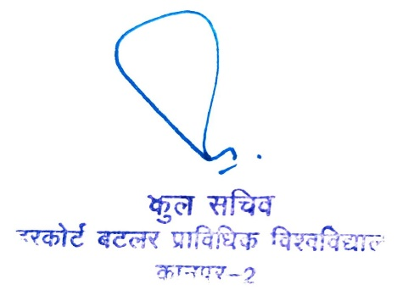
5.1.3 Following Capacity development and skills enhancement initiatives are taken by the institution (5) 1. Soft skills, 2. Language and communication skills, 3. Life skills (Yoga, physical fitness, health and hygiene), 4. Awareness of trends in technology
Name of the capacity development and skills enhancement schemes | Date of implementation (DD-MM-YYYY) | Number of students enrolled | Name of the agencies/consultants involved with contact details (if any)
Seminar on "Each one Save one - Save Road Accident Victim" open to entire university community | 4-Aug-22 | 60 | Indian Orthopaedic Association
One week short term Training on "Recent Advances in Engineering & Technology for Better Career Prospects" | 15-20 July, 2021 | 130 | IIT Kanpur, IIT Bombay, Htech Soft
One Day Interactive Session (Pre-Placement Talk) | 1-Sep-21 | 50 | ExxonMobil
One Day Interactive Session (Pre-Placement Talk) | 26-Jul-21 | 60 | Rebel Foods
One Day Interactive Session (Pre-Placement Talk) | 30-Mar-21 | 87 | Yara Fertilizers India Pvt. Ltd. , Babrala
One Day Interactive Session (Pre-Placement Talk) | 12-Jan-21 | 81 | CEDCOS Technology
Leadership Development with Personality Transformation for All 2nd & 3rd Year B.Tech. and MCA Students | 16-30 Aug 2021 | 540 | Training and Placement Cell, HBTU Kanpur in collaboration with Super77
Yog Prasikshan Shivir for entire university community | 17-21 June 2021 | 118 | Sports Council HBTU
International Yoga Day Celebration | 19-Jun-21 | 153 | Sports Council HBTU
One Day Interactive Session (Pre-Placement Talk) | 22-Dec-20 | 67 | Appinventiv Technolgies, Noida
One Day Interactive Session (Pre-Placement Talk) | 18-Dec-20 | 64 | Mirketa Software Pvt. Ltd. , Noida
One Day Interactive Session (Pre-Placement Talk) | 14-Dec-20 | 73 | Suez Water Technologies & Solutions, New Delhi
One Day Interactive Session (Pre-Placement Talk) | 29-Oct-20 | 116 | Larsen & Toubro
One Day Interactive Session (Pre-Placement Talk) | 15-Oct-20 | 127 | Cognizant
Employbility Skill Training for Final Year B.Tech. Students | 1-Jan-19 | 277 | TEQIP III M/S C L Educate Ltd. New Delhi
Industry Interaction - Qatar Petroleum | 2-Mar-19 | 70 | Alumni Association HBTU
Industry Interaction - Samsung R&D, Bangalore | 2-3 March 2019 | 210 | Samsung
Coding Hackathon (8 Hours) | 2-3 March 2019 | 35 | Samsung
Employbility Assessment Test for All 1st, 2nd & 3rd Year B.Tech. Students | 27-29 Aug 2019 | 1320 | M/S Aspiring Minds
Summer Training on Python Programming, Data Analysis, Machine Learning, Robotics, Aero Modelling, RP & IOT | 8-20 July 2019 | 96 | IIT Kanpur, Htech Soft
Summer Training Program on Core Java, Web and Android Studio | 9-21 July 2018 | 78 | IIT Kanpur, Htech Soft
Induction Program Session for 1st Year B.Tech. on Yoga & Exercise | 15-21 Jan 2018 | 482
Inductioon Program Session for 1st Year B.Tech. on Human Values
Inductioon Program Session for 1st Year B.Tech. on Creative Arts
Inductioon Program Session for 1st Year B.Tech. on English
Inductioon Program Session for 1st Year B.Tech. on Motivation Lectures
Employbility Test for 3rd Year B.Tech. Students | 4-6 Oct 2018 | 432 | M/S Aspiring Minds
One Day Workshop on Enhancement of Professional Skills for Placement for All B.Tech. & MCA Students | 5-Sep-18 | 372 | TEQIP III

